OVERVIEW
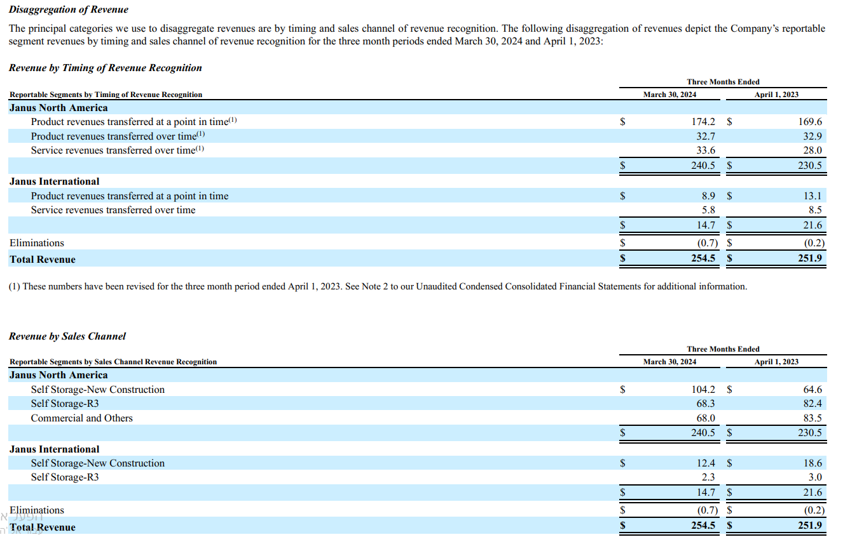
OVERVIEW
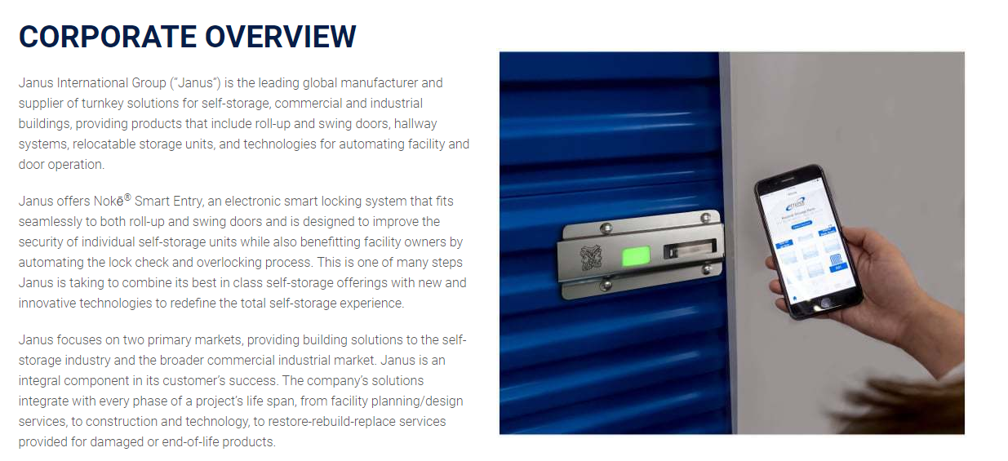

providing building solutions to the self-storage industry and the broader commercial industrial marlet

90% from america
recently

GROWTH | REINVESTMENT



 |  | WACC

Analysis
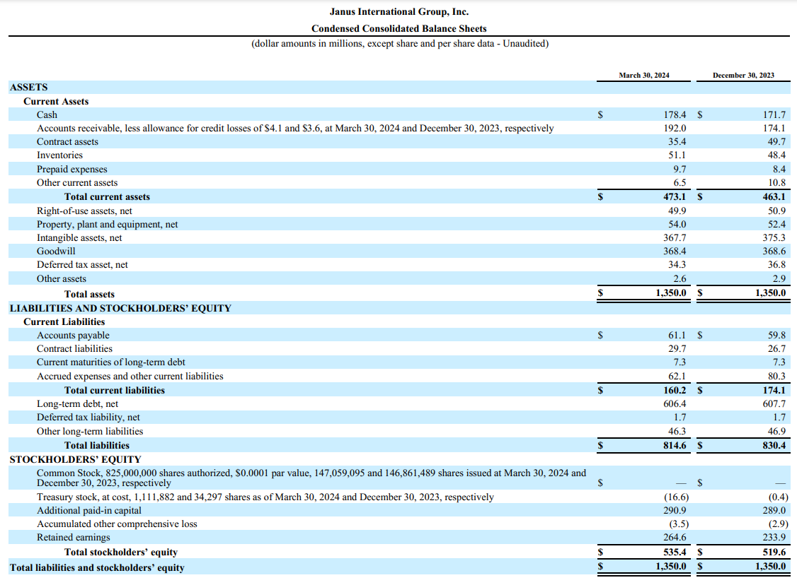

Balance Sheet |  |  | *in millions

 | cash amount: | $178.4 |  | shares outstanding: | $146.0
 | total current assets: | $473.1 |  | shareholders equity: | $535.4
 | total assets: | $1,350.0 |  |  | $3.67

 | total current liabilities: | $160.2
 | total liabilities: | $814.6
 | long term deb: | $606.4

 | cash/current liab: | 111.4%
 | cash/total liab: | 21.9%

 | current assets/current liab: | 295.3%
 | current assets/total liab: | 58.1%

 | total assets/total liab: | 165.7%

 | long term debt portion of | 74.4%
 | total liabilities:

 | rev growth%
2020 Q2
2020 Q3 | 14.8%
2020 Q4 | 104.1%
2021 Q1 | -46.6%
2021 Q2 | 14.0%
2021 Q3 | 7.8%
2021 Q4 | 25.3%
2022 Q1 | -2.5%
2022 Q2 | 7.9%
2022 Q3 | 6.0%
2022 Q4 | 6.6%
2023 Q1 | -10.0%
2023 Q2 | 7.4%
2023 Q3 | 3.5%
2023 Q4 | -5.8%
2024 Q1 | -3.5%
2024 Q2 | -2.4%
Growth |  | revenue
 |  |  |  |  |  |  |  | quarter | revenue | rev growth% | net income | % growth | net margins
 |  |  |  |  |  |  |  | 2020 Q1 |  |  | $8.34
 |  |  |  |  |  |  |  | 2020 Q2 | $122.23 |  | $11.018 | 32.2% | 9.0%
 |  |  |  |  |  |  |  | 2020 Q3 | $140.34 | 14.8% | $20.773 | 88.5% | 14.8%
 |  |  |  |  |  |  |  | 2020 Q4 | $286.40 | 104.1% | $16.712 | -19.5% | 5.8%
 |  |  |  |  |  |  |  | 2021 Q1 | $152.82 | -46.6% | $14.719 | -11.9% | 9.6%
 |  |  |  |  |  |  |  | 2021 Q2 | $174.18 | 14.0% | $-1.694 | -111.5% | -1.0%
 |  |  |  |  |  |  |  | 2021 Q3 | $187.79 | 7.8% | $15.542 |  | 8.3%
 |  |  |  |  |  |  |  | 2021 Q4 | $235.30 | 25.3% | $15.233 | -2.0% | 6.5%
 |  |  |  |  |  |  |  | 2022 Q1 | $229.52 | -2.5% | $19.704 | 29.4% | 8.6%
 |  |  |  |  |  |  |  | 2022 Q2 | $247.71 | 7.9% | $22.837 | 15.9% | 9.2%
 |  |  |  |  |  |  |  | 2022 Q3 | $262.50 | 6.0% | $32.400 | 41.9% | 12.3%
 |  |  |  |  |  |  |  | 2022 Q4 | $279.77 | 6.6% | $32.769 | 1.1% | 11.7%
 |  |  |  |  |  |  |  | 2023 Q1 | $251.90 | -10.0% | $26.000 | -20.7% | 10.3%
 |  |  |  |  |  |  |  | 2023 Q2 | $270.61 | 7.4% | $36.987 | 42.3% | 13.7%
 |  |  |  |  |  |  |  | 2023 Q3 | $280.10 | 3.5% | $37.000 | 0.0% | 13.2%
 |  |  |  |  |  |  |  | 2023 Q4 | $263.79 | -5.8% | $35.713 | -3.5% | 13.5%
revenue Q1
rev growth by Q1 %
 | rev growth%
2021 Q1
2022 Q1 | 50.2%
2023 Q1 | 9.8%
2024 Q1 | 1.0%
 |  |  |  |  |  |  |  | 2024 Q1 | $254.50 | -3.5% | $30.700 | -14.0% | 12.1%
 |  |  |  |  |  |  |  | 2024 Q2 | $248.40 | -2.4% | $27.60 | -10.1% | 11.1%

 |  |  |  |  |  |  |  | quarter | revenue | rev growth% | net income | % growth | net margins
 |  |  |  |  |  |  |  | 2020 Q1 |  |  | 8.335
 |  |  |  |  |  |  |  | 2021 Q1 | $152.82 |  | $14.719 | 76.6% | 9.6%
 |  |  |  |  |  |  |  | 2022 Q1 | $229.52 | 50.2% | $19.704 | 33.9% | 8.6%
 |  |  |  |  |  |  |  | 2023 Q1 | $251.90 | 9.8% | $26.000 | 32.0% | 10.3%
 |  |  |  |  |  |  |  | 2024 Q1 | $254.50 | 1.0% | $30.700 | 18.1% | 12.1%
income nargin by Q1 %
revenue Q2
rev growth by Q2
 | rev growth%
2020 Q2
2021 Q2 | 42.5%
2022 Q2 | 42.2%
2023 Q2 | 9.2%
2024 Q2 | -8.2%
 |  |  |  |  |  |  |  | quarter | revenue | rev growth% | net income | % growth | net margins
 |  |  |  |  |  |  |  | 2020 Q2 | $122.23 |  | $11.018
 |  |  |  |  |  |  |  | 2021 Q2 | $174.18 | 42.5% | $-1.694 | -115.4% | -1.0%
 |  |  |  |  |  |  |  | 2022 Q2 | $247.71 | 42.2% | $22.837 | -1448.1% | 9.2%
 |  |  |  |  |  |  |  | 2023 Q2 | $270.61 | 9.2% | $36.987 | 62.0% | 13.7%
 |  |  |  |  |  |  |  | 2024 Q2 | 248.4 | -8.2% | 27.6 | -25.4% | 11.1%

 |  |  |  |  |  |  |  | Year | revenue | % growth
 |  |  |  |  |  |  |  | 2020 | $548.97
 |  |  |  |  |  |  |  | 2021 | $750.10 | 36.6%
 |  |  |  |  |  |  |  | 2022 | $1,019.50 | 35.9%
 |  |  |  |  |  |  |  | 2023 | $1,066.40 | 4.6%

income nargin by Q1 %
 | net margins
2020 Q2
2021 Q2 | -1.0%
2022 Q2 | 9.2%
2023 Q2 | 13.7%
 | % growth
2020
2021 | 36.6%
2022 | 35.9%
2023 | 4.6%
 |  |  |  |  |  | revenue type | 2023 Q1 | 2024 Q1 | YOY growth % | % from total revenue
 |  |  |  |  |  | new construction | $83.20 | $116.60 | 40.14% | 45.8%
 |  |  |  |  |  | R3 | $85.40 | $70.60 | -17.33% | 27.7%
 |  |  |  |  |  | commercial and others | $83.50 | $68.00 | -18.56% | 26.7%
 |  |  |  |  |  | eliminations | $-0.20 | $-0.70 | 250.00%
 |  |  |  |  |  | total | $251.90 | $254.50 | 1.03%

 |  |  |  |  |  | revenue type | 2023 Q2 | 2024 Q2 | YOY growth % | % from total revenue
 |  |  |  |  |  | new construction | $103.20 | $110.70 | 7.27% | 44.6%
 |  |  |  |  |  | R3 | $80.40 | $61.50 | -23.51% | 24.8%
 |  |  |  |  |  | commercial and others | $87.00 | $76.20 | -12.41% | 30.7%
 |  |  |  |  |  | eliminations
 |  |  |  |  |  | total | $270.60 | $248.40 | -8.20%

 |  | net income

net income growth by Q1 %

 | % growth
2020 Q2 | 32.2%
2020 Q3 | 88.5%
2020 Q4 | -19.5%
2021 Q1 | -11.9%
2021 Q2 | -111.5%
2021 Q3
2021 Q4 | -2.0%
2022 Q1 | 29.4%
2022 Q2 | 15.9%
2022 Q3 | 41.9%
2022 Q4 | 1.1%
2023 Q1 | -20.7%
2023 Q2 | 42.3%
2023 Q3 | 0.0%
2023 Q4 | -3.5%
2024 Q1 | -14.0%
2024 Q2 | -10.1%
net income growth by Q2 %
 | % growth
2020 Q2
2021 Q2 | -115.4%
2022 Q2 | -1448.1%
2023 Q2 | 62.0%
2024 Q2 | -25.4%

income nargin by Q2 %
 | net margins
2020 Q2
2021 Q2 | -1.0%
2022 Q2 | 9.2%
2023 Q2 | 13.7%
2024 Q2 | 11.1%
income nargin by Q1 %

estimations
 |  | *millions
GROWTH RATE

 | Year | revenue | % growth | operating income | operating margins | net income | % growth |  | quarter | revenue | % growth
 | 2020 | $548.97 |  | $94.52 | 17.2% | $56.84 |  |  | 2020 Q1
 | 2021 | $750.10 | 36.6% | $92.40 | 12.3% | $43.80 | -22.9% |  | 2020 Q2 | $122.23 | #DIV/0!
 | 2022 | $1,019.50 | 35.9% | $187.50 | 18.4% | $107.70 | 145.9% |  | 2020 Q3 | $140.34 | 14.8%
 | 2023 | $1,066.40 | 4.6% | $245.70 | 23.0% | $135.70 | 26.0% |  | 2020 Q4 | $286.40 | 104.1%
 |  |  |  |  |  |  |  |  | 2021 Q1 | $152.82 | -46.6%
 | % growth
2020
2021 | 36.6%
2022 | 35.9%
2023 | 4.6%
 |  |  |  |  |  |  |  |  | 2021 Q2 | $174.18 | 14.0%
 |  |  |  |  |  |  |  |  | 2021 Q3 | $187.79 | 7.8%
 |  |  |  |  |  |  |  |  | 2021 Q4 | $235.30 | 25.3%
 |  |  |  |  |  |  |  |  | 2022 Q1 | $229.52 | -2.5%
 |  |  |  |  |  |  |  |  | 2022 Q2 | $247.71 | 7.9%
 |  |  |  |  |  |  |  |  | 2022 Q3 | $262.50 | 6.0%
 |  |  |  |  |  |  |  |  | 2022 Q4 | $279.77 | 6.6%
 |  |  |  |  |  |  |  |  | 2023 Q1 | $251.90 | -10.0%
 |  |  |  |  |  |  |  |  | 2023 Q2 | $270.61 | 7.4%
 |  |  |  |  |  |  |  |  | 2023 Q3 | $280.10 | 3.5%
 |  |  |  |  |  |  |  |  | 2023 Q4 | $263.79 | -5.8%
 |  |  |  |  |  |  |  |  | 2024 Q1 | $254.50 | -3.5%

 | period | Mar-20 |  | Jan-21 |  | Aug-21 | Sep-21
 | acqusitions | PTI Australasia Pty Ltd |  | G & M Stor-More Pty Ltd |  | DBCI, LLC | Access Control Technologies, LLC

 | revenue type | 2023 Q1 | 2024 Q1 | YOY growth % | % from total revenue
 | new construction | $83.20 | $116.60 | 40.14% | 45.8%
 | R3 | $85.40 | $70.60 | -17.33% | 27.7%
 | commercial and others | $83.50 | $68.00 | -18.56% | 26.7%
 | eliminations | $-0.20 | $-0.70 | 250.00%
 | total | $251.90 | $254.50 | 1.03%

 | revenue type | 2023 Q2 | 2024 Q2 | YOY growth % | % from total revenue
 | new construction | $103.20 | $110.70 | 7.27% | 44.6%
 | R3 | $80.40 | $61.50 | -23.51% | 24.8%
 | commercial and others | $87.00 | $76.20 | -12.41% | 30.7%
 | eliminations
 | total | $270.60 | $248.40 | -8.20%

 |  | % rev
 | self storage | 73.6%
 | commercials | 26.7%

 | year | 1 | 2 | 3 | 4 | 5 | 6 | 7 | 8 | 9 | 10
 | growth | -3.7% | 4.30% | 30% | 30% | 30% | 10% | 10% | 10% | 10% | 10%

 |  | Year | revenue | operating income | operating margins
 |  | 2020 | $548.97 | $94.52 | 17.2% |  | 17.742%
 |  | 2021 | $750.10 | $92.40 | 12.3%
 |  | 2022 | $1,019.50 | $187.50 | 18.4%
 |  | 2023 | $1,066.40 | $245.70 | 23.0%

 | year | 1 | 2 | 3 | 4 | 5 | 6 | 7 | 8 | 9 | 10
 | operating margins | 23.0% | 23.0% | 23.0% | 23.0% | 23.0% | 23.0% | 23.0% | 23.0% | 23.0% | 23.0%

data
quarter | revenue | operating income | net income | EPS basic | EPS diluted
2020 Q1
2020 Q2
2020 Q3
2020 Q4
2021 Q1
2021 Q2
2021 Q3
2021 Q4
2022 Q1
2022 Q2 | $229.52 | $35.12 | $19.70 | $0.13 | $0.13
2022 Q3 | $247.71 | $39.85 | $22.84 | $0.16 | $0.16 |  |  |  |  | quarter | revenue | %growth
2022 Q4 | $262.50 | $53.80 | $32.40 | $0.22 | $0.22 |  |  |  |  | 2021 Q1 | $152.82
2023 Q1 | $251.90 | $48.90 | $26.00 | $0.18 | $0.18 |  |  |  |  | 2022 Q1 | $229.52 | 50%
2023 Q2 | $251.90 | $51.01 | $25.98 | $0.18 | $0.18 |  |  |  |  | 2023 Q1 | $251.90 | 10%
2023 Q3 | $270.61 | $64.28 | $36.99 | $0.25 | $0.25 |  |  |  |  | 2024 Q1 | $254.50 | 1%
2023 Q4 | $280.10 | $66.50 | $37.00 | $0.25 | $0.25
2024 Q1 | $254.50 | $55.40 | $30.70 | $0.21 | $0.21
revenue - Q1
 | revenue | %growth
2021 Q1 | $152.82
2022 Q1 | $229.52 | 50%
2023 Q1 | $251.90 | 10%
2024 Q1 | $254.50 | 1%

quarter | revenue | net income | net margins
2020 Q1 |  | 8.335
2020 Q2 | $122.23 | $11.018 | 9.0%
2020 Q3 | $140.34 | $20.773 | 14.8%
2020 Q4 | $286.40 | $16.712 | 5.8%
2021 Q1 | $152.82 | $14.719 | 9.6%
2021 Q2 | $174.18 | $-1.694 | -1.0%
2021 Q3 | $187.79 | $15.542 | 8.3%
2021 Q4 | $235.30 | $15.233 | 6.5%
2022 Q1 | $229.52 | $19.704 | 8.6%
2022 Q2 | $247.71 | $22.837 | 9.2%
2022 Q3 | $262.50 | $32.400 | 12.3%
2022 Q4 | $279.77 | $32.769 | 11.7%
2023 Q1 | $251.90 | $26.000 | 10.3%
 | net income | %growth
2020 Q1 | $8.335
2021 Q1 | $14.719 | 77%
2022 Q1 | $19.704 | 34%
2023 Q1 | $26.000 | 32%
2024 Q1 | $30.700 | 18%
2023 Q2 | $270.61 | $36.987 | 13.7%
2023 Q3 | $280.10 | $37.000 | 13.2%
2023 Q4 | $263.79 | $35.713 | 13.5%
2024 Q1 | $254.50 | $30.700 | 12.1%

quarter | revenue | net income | %growth
2020 Q1 |  | 8.335
2021 Q1 | $152.82 | $14.719 | 77%
2022 Q1 | $229.52 | $19.704 | 34%
2023 Q1 | $251.90 | $26.000 | 32%
2024 Q1 | $254.50 | $30.700 | 18%

 | net margins
2020 Q1
2020 Q2 | 9.0%
2020 Q3 | 14.8%
2020 Q4 | 5.8%
2021 Q1 | 9.6%
2021 Q2 | -1.0%
2021 Q3 | 8.3%
2021 Q4 | 6.5%
2022 Q1 | 8.6%
2022 Q2 | 9.2%
2022 Q3 | 12.3%
2022 Q4 | 11.7%
2023 Q1 | 10.3%
2023 Q2 | 13.7%
2023 Q3 | 13.2%
2023 Q4 | 13.5%
2024 Q1 | 12.1%

Year | revenue | % growth | operating income | operating margins | net income | % growth
2020 | $548.97 |  | $94.52 | 17.2% | $56.84
2021 | $750.10 | 36.6% | $92.40 | 12.3% | $43.80 | -22.9%
2022 | $1,019.50 | 35.9% | $187.50 | 18.4% | $107.70 | 145.9%
2023 | $1,066.40 | 4.6% | $245.70 | 23.0% | $135.70 | 26.0%

Year | cap ex | depreciation | chg in NWC | net cap ex | reinvestment | operating income | tax rate | after tax oi | reinvestment rate
2020 | 10.767 | 5.985 | -9.691 | 4.782 | -4.909 | $94.52 | 3.6% | $91.13 | -5% |  | 80%
2021 | 189.889 | 6.45 | 30.409 | 183.439 | 213.848 | $92.40 | 12.9% | $80.46 | 266%
2022 | 8.694 | 7.9 | 84.8 | 0.794 | 85.594 | $187.50 | 25.9% | $138.98 | 62%
2023 | 19.9 | 9.3 | -12.7 | 10.6 | -2.1 | $245.70 | 25.8% | $182.39 | -1%
2024 Q1 | 4.6 | 2.8 | 19.6 | 1.8 | 21.4 | 55.4 | 25.5% | $41.28 | 52%

